Workout
Accounting and Financial Analysis

Workout
 | Calculate the number of issued, outstanding and free float shares for Year 14. Discuss your answer.
 | Etihad Airways has a strategic partnership with Aer Lingus.

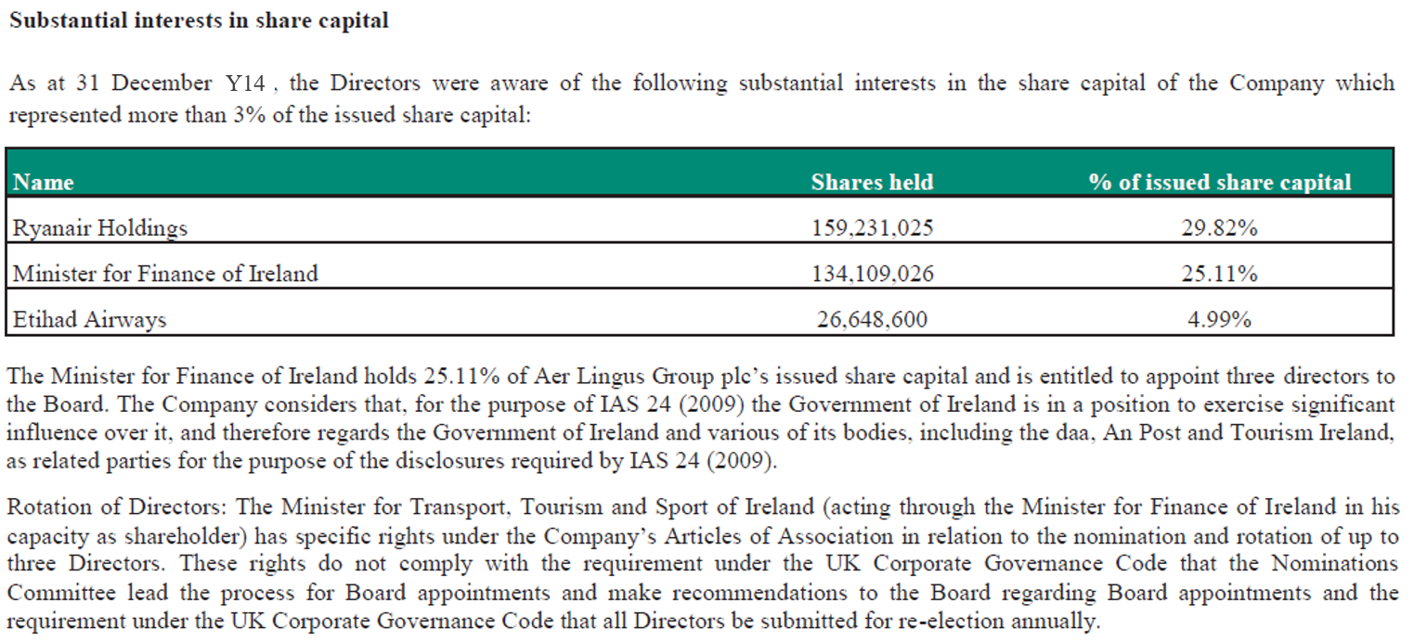

 |  | Year 14
 | Issued shares | 534,040,090.0
 | Treasury shares | 1,303,384.0
 | Outstanding shares | 532,736,706.0
 | Ryanair shareholding | 159,231,025.0
 | Minister for Finance of Ireland shareholding | 134,109,026.0
 | Etihad shareholding | 26,648,600.0
 | Free float shares | 212,748,055.0

End

